HTML
HTML - Hyper Text Markup Language
It is a markup language not programming language

Index should be the default name of first page of all websites
So always call your very first page as index.html

We can just type ! And press tab to get a basic html code format, in which we can edit
But, it is necessary to know how to write the code from scratch

First, we have to tell the browser that this document uses html
For that type <!DOCTYPE html>
<!DOCTYPE html>

Next we need to create an html element
To create an html element <html> has to be used
Each and every html element will start with <html> tag and end with </html> tag
When we type this the code editor automatically closes </html> closing tag
To stop this, we can search in settings as auto close tag and switch it off
Thus <html></html> is created
<!DOCTYPE html>
<html></html>

Now for creating content, create the head and body inside the html tags
Inside the html element, we need atleast 1 head element and 1 body element
As head and body element are inside the html element, it has to be intended
The code doesnot needs intendation. But, as humans, we need it for better understanding
<!DOCTYPE html>
<html>
<head></head>
<body></body>
</html>

The head element is basically for things which are not visible in the browser window
Ex- Page title (which is shown over the tab)
Some additional information about the page
link to CSS files etc.,
The body will have all the elements which we see in the browser
We have to define the text within <h1> and </h1> to give heading 1 for the body
<!DOCTYPE html>
<html>
<head>
<title>The Basic language:HTML</title>
</head>
<body>
<h1>The Basic language of the Web:HTML</h1>
</body>
</html>

Now the output of this will be
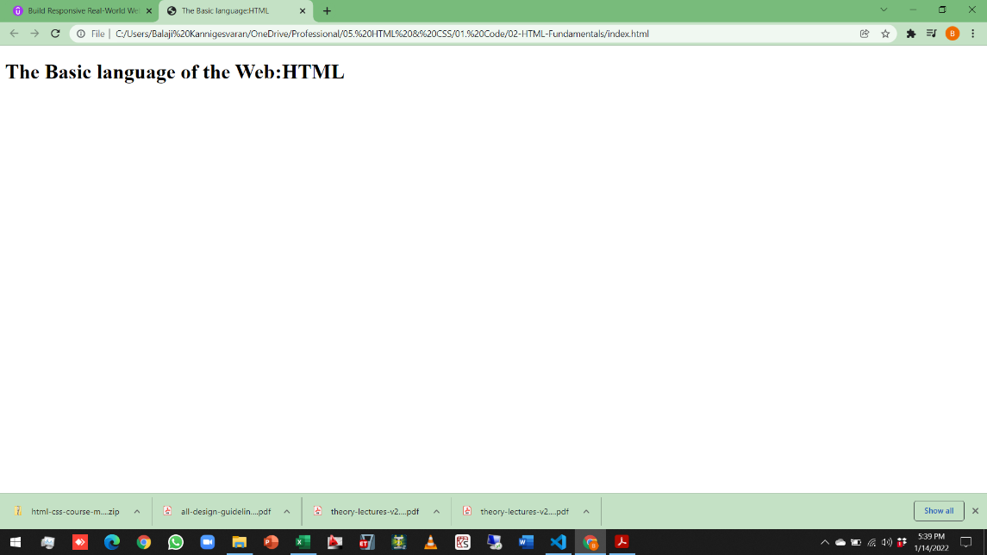
<title> - Defined in <head>
<h1> - Heading 1 - Defined in <body>

We know that <h1> creates heading
Similarly we have headings from h1 to h6
All the headings follows hierarchy
h1 is primary heading
h2 is secondary heading
h3 is tertiary heading
and so on till h6
Even though there are these many type of headings, Each page should have only one h1 heading
It is not mandatory to have only 1 h1 heading.
It is not against any html rules.
Eventhough, it is not violating any html rules, It is a good practice to use only 1 h1 heading.
To understand this, just copy paste the same text with different types of headings(from h1 to h6)
Output is shown at the right side of the code, from which the six different headings can be visually seen
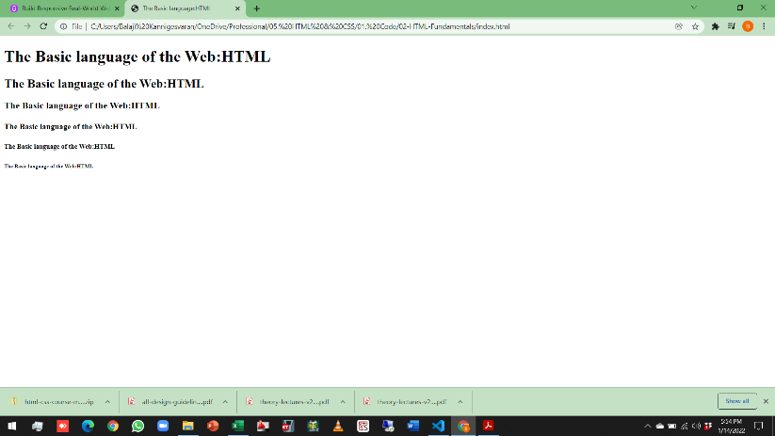
<!DOCTYPE html>
<html>
<head>
<title>The Basic language:HTML</title>
</head>
<body>
<h1>The Basic language of the Web:HTML</h1>
<h2>The Basic language of the Web:HTML</h2>
<h3>The Basic language of the Web:HTML</h3>
<h4>The Basic language of the Web:HTML</h4>
<h5>The Basic language of the Web:HTML</h5>
<h6>The Basic language of the Web:HTML</h6>
</body>
</html>

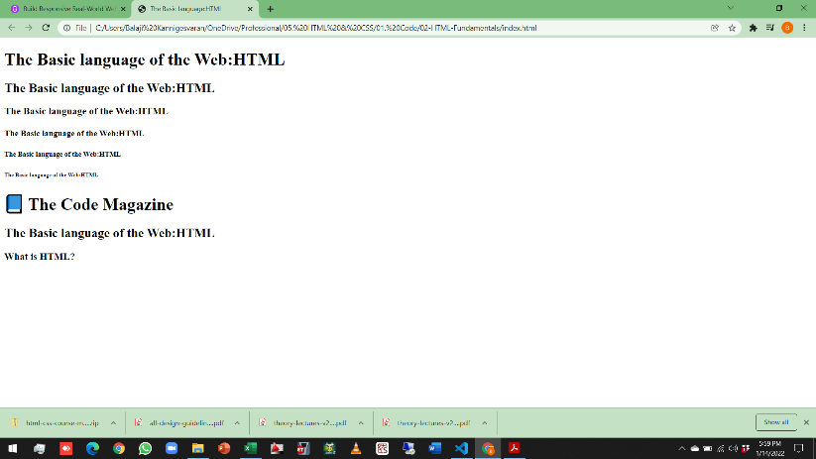
Now, for our project, just create the headings required
<!DOCTYPE html>
<html>
<head>
<title>The Basic language:HTML</title>
</head>
<body>
<h1>The Basic language of the Web:HTML</h1>
<h2>The Basic language of the Web:HTML</h2>
<h3>The Basic language of the Web:HTML</h3>
<h4>The Basic language of the Web:HTML</h4>
<h5>The Basic language of the Web:HTML</h5>
<h6>The Basic language of the Web:HTML</h6>

<h1>📘 The Code Magazine</h1>
<h2>The Basic language of the Web:HTML</h2>
<h3>What is HTML?</h3>
</body>
</html>

Now, we have to create the paragraphs within the headings
Anything between <b></b> will appear bold
Anything between <i></i> will appear italic
But they are not sementic
Sementic means related to words
So we have to use <strong></strong> for bold and <em></em> which means emphasise for italic
<!DOCTYPE html>
<html>
<head>
<title>The Basic language:HTML</title>
</head>
<body>
<!-- |  | Comment start
<h1>The Basic language of the Web:HTML</h1> |  | These 6 lines are
<h2>The Basic language of the Web:HTML</h2> |  | commented
<h3>The Basic language of the Web:HTML</h3>
<h4>The Basic language of the Web:HTML</h4> |  | To comment we have to
<h5>The Basic language of the Web:HTML</h5> |  | keep the text between
<h6>The Basic language of the Web:HTML</h6> |  | <!-- and -->
--> | Comment end | Comment end

<h1>📘 The Code Magazine</h1>
<p>Posted by <strong>Laura Jones</strong> on Monday, June 21st 2027</p> |  | <strong>Bold text</strong>
<h2>The Basic language of the Web:HTML</h2>
<p>
All modern websites and web applications are built using three
<em>fundamental</em> technologies: HTML, CSS and JavaScript. These are the |  | <em>Italic text</em>
languages of the web.
</p>
<p>
In this post, let's focus on HTML. We will learn what HTML is all about,
and why you too should learn it.
</p>
<h3>What is HTML?</h3>
<p>
HTML stands for <strong>H</strong>yper<strong>T</strong>ext |  | <strong>Bold text</strong>
<strong>M</strong>arkup <strong>L</strong>anguage. It's a markup language |  | <strong>Bold text</strong>
that web developers use to structure and describe the content of a webpage
(not a programming language).
</p>
<p>
HTML consists of elements that describe different types of content:
paragraphs, links, headings, images, video, etc. Web browsers understand
HTML and render HTML code as websites.
</p>
<h3>Why should you learn HTML?</h3>
<p>
There are countless reasons for learning the fundamental language of the
web. Here are 5 of them:
</p>
<p>Hopefully you learned something new here. See you next time!</p>
</body>
</html>

To create list we have to give the list inside the ordered list element <ol> and </ol>
Inside the ordered list element <ol> and </ol>, we have to give each item in list element <li> and</li>
As shown below
<ol>
<li>The opening tag</li>
<li>The closing tag</li>
<li>The actual element</li>
</ol>
Ordered list will give output bullets as 1,2,3 etc
Unordered list will give bullets
and for unordered list use <ul> and </ul>
<ul>
<li>To be able to use the fundamental web dev language</li>
<li>
To hand-craft beautiful websites instead of relying on tools like
Worpress or Wix
</li>
<li>To build web applications</li>
<li>To impress friends</li>
<li>To have fun 😃</li>
</ul>

The full code is given below
<!DOCTYPE html>
<html>
<head>
<title>The Basic language:HTML</title>
</head>
<body>
<!--
<h1>The Basic language of the Web:HTML</h1>
<h2>The Basic language of the Web:HTML</h2>
<h3>The Basic language of the Web:HTML</h3>
<h4>The Basic language of the Web:HTML</h4>
<h5>The Basic language of the Web:HTML</h5>
<h6>The Basic language of the Web:HTML</h6>
-->

<h1>📘 The Code Magazine</h1>
<p>Posted by <strong>Laura Jones</strong> on Monday, June 21st 2027</p>
<h2>The Basic language of the Web:HTML</h2>
<p>
All modern websites and web applications are built using three
<em>fundamental</em> technologies: HTML, CSS and JavaScript. These are the
languages of the web.
</p>
<p>
In this post, let's focus on HTML. We will learn what HTML is all about,
and why you too should learn it.
</p>
<h3>What is HTML?</h3>
<p>
HTML stands for <strong>H</strong>yper<strong>T</strong>ext
<strong>M</strong>arkup <strong>L</strong>anguage. It's a markup language
that web developers use to structure and describe the content of a webpage
(not a programming language).
</p>
<p>
HTML consists of elements that describe different types of content:
paragraphs, links, headings, images, video, etc. Web browsers understand
HTML and render HTML code as websites.
</p>
<p>In HTML, each element is made up of 3 parts:</p>
<ol> |  | Ordered list starts
<li>The opening tag</li>
<li>The closing tag</li>
<li>The actual element</li>
</ol> |  | Ordered list Ends
<p>You can learn more at the MDN Web Docs.</p>
<h3>Why should you learn HTML?</h3>
<p>
There are countless reasons for learning the fundamental language of the
web. Here are 5 of them:
</p>
<ul> |  | Unordered list starts
<li>To be able to use the fundamental web dev language</li>
<li>
To hand-craft beautiful websites instead of relying on tools like
Worpress or Wix
</li>
<li>To build web applications</li>
<li>To impress friends</li>
<li>To have fun 😃</li>
</ul> |  | Unordered list Ends
<p>Hopefully you learned something new here. See you next time!</p>
</body>
</html>
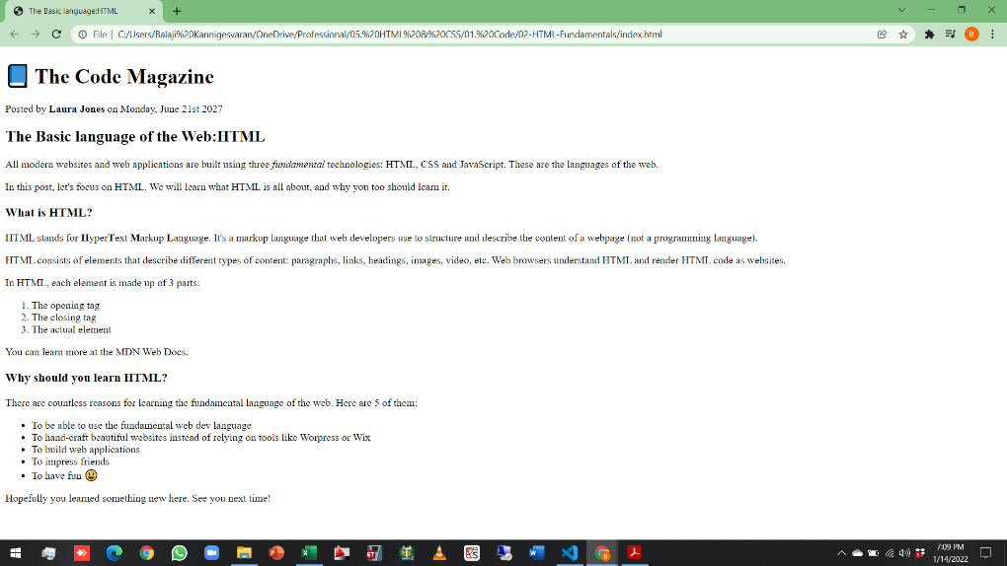
<ol>Ordered list</ol>
<ul>Unordered list</ul>
<ol> or <ul>
<li>list item 1</li>
<li>list item 2</li>
<li>list item 3</li>
.
.
.
<li>list item n</li>
</ol> or </ul>
ol for ordered list
ul for unordered list

We have done things with text.
Now coming to images
Keep the image in the project folder itself
if we double click it, Vs code can display it
Image element is a special element
Because it doesn’t have any content
Due to this, image element also does not have closing tag
So we have to give input between <img and />
We have to use attributes to describe image elements
Attributes can be used in all elements. But we are using it for image only as all other have inbuilt code.
We have to use source attribute
<img src="post-img.jpg" />
We also have to define alt attribute for all images
alt refers to alternative text, which describes about the image
There are 2 main resons for which we should defenitely give it
1. To get identified by SEO's
2. For blind peoples, who uses the screenreader which the image converts image to audio
<img src="post-img.jpg" alt="HTML code on Screen" />

If in case we made a mistake in code by replacing jpg by jp
Then image will not load
But the alternative text shows up
<img src="post-img.jp" alt="HTML code on Screen" />
Both the outputs are compared below
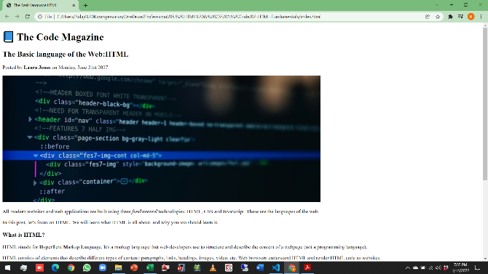
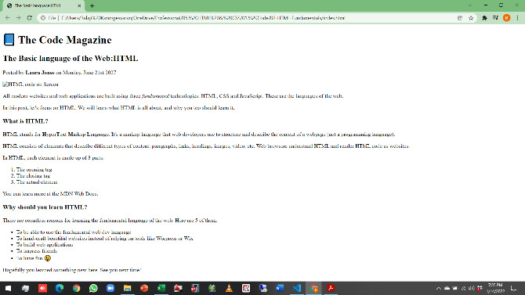
Alternative text pops up
in place of image

The image is very big
To update the size use width attribute
when we open the file in Vscode, it will specify the size as 1000X400
So halving it, set width=500 and depth =200
But the 500 and 200 should be within ""
<img
src="post-img.jpg"
alt="HTML code on Screen"
width="500"
height="200"
/>
Both the outputs before and after resizing are compared below
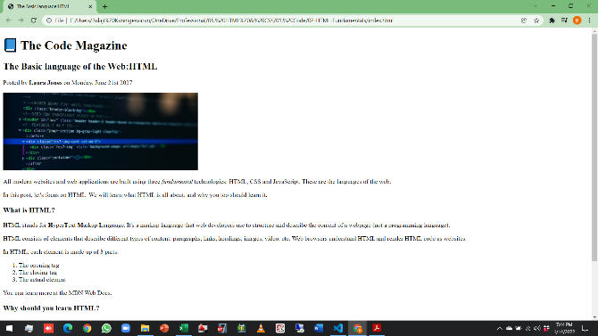

Now import all other reqd images
Apart from images, we can also add attributes to other elements also
For example, we can add language attribute to html element
<html lang="en">
We can add metadata charset attribute to head element
<head>
<meta charset="UTF-8" />
<title>The Basic language:HTML</title>
</head>
Study about attributes more
The full code and the output after adding images is shown below
<!DOCTYPE html>
<html lang="en">
<head>
<meta charset="UTF-8" />
<title>The Basic language:HTML</title>
</head>
<body>
<!--
<h1>The Basic language of the Web:HTML</h1>
<h2>The Basic language of the Web:HTML</h2>
<h3>The Basic language of the Web:HTML</h3>
<h4>The Basic language of the Web:HTML</h4>
<h5>The Basic language of the Web:HTML</h5>
<h6>The Basic language of the Web:HTML</h6>
-->

<h1>📘 The Code Magazine</h1>
<h2>The Basic language of the Web:HTML</h2>
<img
src="laura-jones.jpg"
alt="Headshot of Laura Jones"
width="50"
height="50"
/>
<p>Posted by <strong>Laura Jones</strong> on Monday, June 21st 2027</p>
<img
src="post-img.jpg"
alt="HTML code on Screen"
width="500"
height="200"
/>
<p>
All modern websites and web applications are built using three
<em>fundamental</em> technologies: HTML, CSS and JavaScript. These are the
languages of the web.
</p>
<p>
In this post, let's focus on HTML. We will learn what HTML is all about,
and why you too should learn it.
</p>
<h3>What is HTML?</h3>
<p>
HTML stands for <strong>H</strong>yper<strong>T</strong>ext
<strong>M</strong>arkup <strong>L</strong>anguage. It's a markup language
that web developers use to structure and describe the content of a webpage
(not a programming language).
</p>
<p>
HTML consists of elements that describe different types of content:
paragraphs, links, headings, images, video, etc. Web browsers understand
HTML and render HTML code as websites.
</p>
<p>In HTML, each element is made up of 3 parts:</p>
<ol>
<li>The opening tag</li>
<li>The closing tag</li>
<li>The actual element</li>
</ol>
<p>You can learn more at the MDN Web Docs.</p>
<h3>Why should you learn HTML?</h3>
<p>
There are countless reasons for learning the fundamental language of the
web. Here are 5 of them:
</p>
<ul>
<li>To be able to use the fundamental web dev language</li>
<li>
To hand-craft beautiful websites instead of relying on tools like
Worpress or Wix
</li>
<li>To build web applications</li>
<li>To impress friends</li>
<li>To have fun 😃</li>
</ul>
<p>Hopefully you learned something new here. See you next time!</p>
</body>
</html>
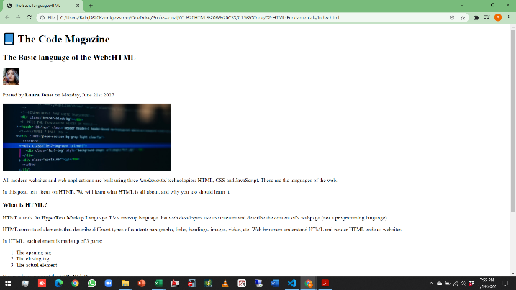

After text and images, Now we have to move to hyperlinks
Also called as links
There are 2 categories
1) links that point to other pages within our own website
2) links that point to outside of our website

To link outside website
Go to google and type mdn html
go to first link and copy the url
Technically hyperlinking is called as anchoring
Now to anchor the text, you have to use the element <a>text</a>
The the url should be assigned using attributes within the opening tag <a>
<a href="url">
<p>
You can learn more at the
<a href="https://developer.mozilla.org/en-US/docs/Web/HTML">
MDN Web Docs</a
>.
</p>

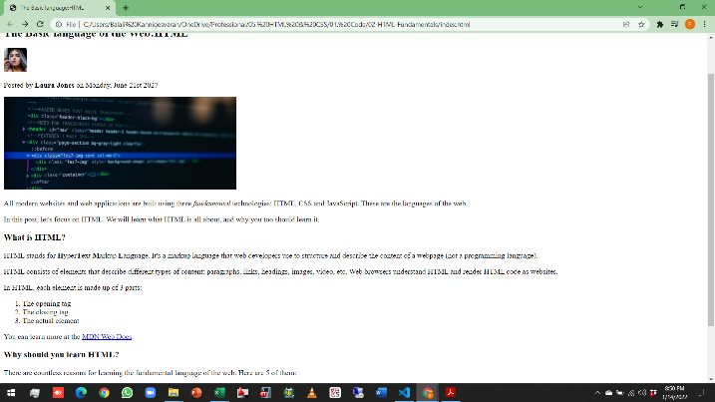
Link created

In this case if we click link, it will go to the URL in the same tab
If we need to open the url in new tab, we have to set another attribute called target to "_blank"
<p>
You can learn more at the
<a
href="https://developer.mozilla.org/en-US/docs/Web/HTML"
target="_blank"
>
MDN Web Docs</a
>.
</p>

Linking within the website
To link to a page within the website, first we have to create a html file for the link in the same location
And the same process has to be repeated
Only one change is to give the html file name instead of URL

Created Blog html file | HTML code in index
<!DOCTYPE html> | <a href="BLOG.html">BLOG</a>
<html lang="en">
<head>
<title>BLOG</title>
</head>
<body>
<h2>BLOG</h2>
</body>
</html>

This will generate a hyperlink BLOG in main page
When we click that, it will go to blog page
We can simply click back button in browser to get back to main page
Instaed we can also create a hyperlink to main page
We can also create links, which doesnot point anywhere
Use # in place for link as a placeholder
We can change it later
<a href="#">BLOG</a>

Now the full code with all text, headings,bold, italic, images and links
<!DOCTYPE html>
<html lang="en">
<head>
<meta charset="UTF-8" />
<title>The Basic language:HTML</title>
</head>
<body>
<!--
<h1>The Basic language of the Web:HTML</h1>
<h2>The Basic language of the Web:HTML</h2>
<h3>The Basic language of the Web:HTML</h3>
<h4>The Basic language of the Web:HTML</h4>
<h5>The Basic language of the Web:HTML</h5>
<h6>The Basic language of the Web:HTML</h6>
-->

<h1>📘 The Code Magazine</h1>
<a href="BLOG.html">BLOG</a>
<a href="#">CHALLENGES</a>
<a href="#">FLEXBOX</a>
<a href="#">CSS GRID</a>
<h2>The Basic language of the Web:HTML</h2>
<img
src="laura-jones.jpg"
alt="Headshot of Laura Jones"
width="50"
height="50"
/>
<p>Posted by <strong>Laura Jones</strong> on Monday, June 21st 2027</p>
<img
src="post-img.jpg"
alt="HTML code on Screen"
width="500"
height="200"
/>
<p>
All modern websites and web applications are built using three
<em>fundamental</em> technologies: HTML, CSS and JavaScript. These are the
languages of the web.
</p>
<p>
In this post, let's focus on HTML. We will learn what HTML is all about,
and why you too should learn it.
</p>
<h3>What is HTML?</h3>
<p>
HTML stands for <strong>H</strong>yper<strong>T</strong>ext
<strong>M</strong>arkup <strong>L</strong>anguage. It's a markup language
that web developers use to structure and describe the content of a webpage
(not a programming language).
</p>
<p>
HTML consists of elements that describe different types of content:
paragraphs, links, headings, images, video, etc. Web browsers understand
HTML and render HTML code as websites.
</p>
<p>In HTML, each element is made up of 3 parts:</p>
<ol>
<li>The opening tag</li>
<li>The closing tag</li>
<li>The actual element</li>
</ol>
<p>
You can learn more at the
<a
href="https://developer.mozilla.org/en-US/docs/Web/HTML"
target="_blank"
>
MDN Web Docs</a
>.
</p>
<h3>Why should you learn HTML?</h3>
<p>
There are countless reasons for learning the fundamental language of the
web. Here are 5 of them:
</p>
<ul>
<li>To be able to use the fundamental web dev language</li>
<li>
To hand-craft beautiful websites instead of relying on tools like
Worpress or Wix
</li>
<li>To build web applications</li>
<li>To impress friends</li>
<li>To have fun 😃</li>
</ul>
<p>Hopefully you learned something new here. See you next time!</p>
</body>
</html>

The output will be
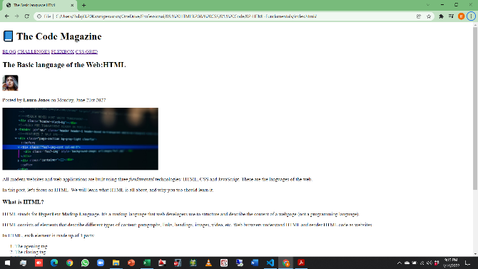
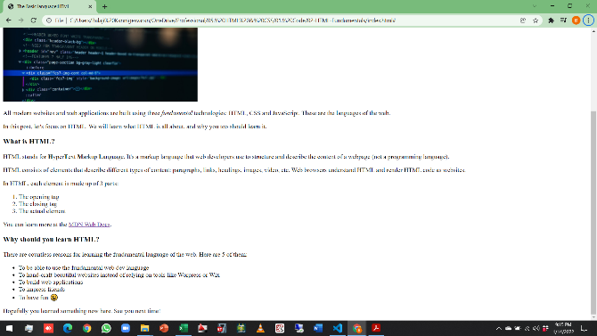

Structuring our page
All these elements are appearing like one after other
They are not gropued together in any logical way

All the links above is for page navigation
So we can specify a special element <nav> and plave all links within it
<nav>
<a href="BLOG.html">BLOG</a>
<a href="#">CHALLENGES</a>
<a href="#">FLEXBOX</a>
<a href="#">CSS GRID</a>
</nav>

Everything will be same in output
But it is like creating some invisible box and grouping it in the box
It will be helpful while building complex webpage

The heading and the navigation comes together in the header element
<header>
<h1>📘 The Code Magazine</h1>
<nav>
<a href="BLOG.html">BLOG</a>
<a href="#">CHALLENGES</a>
<a href="#">FLEXBOX</a>
<a href="#">CSS GRID</a>
</nav>
</header>

All the elements other than header in the body is blog
And it comes under article element

<body> |  | body starts here
<!--
<h1>The Basic language of the Web:HTML</h1>
<h2>The Basic language of the Web:HTML</h2>
<h3>The Basic language of the Web:HTML</h3>
<h4>The Basic language of the Web:HTML</h4>
<h5>The Basic language of the Web:HTML</h5>
<h6>The Basic language of the Web:HTML</h6>
-->

<header> |  | header starts here
<h1>📘 The Code Magazine</h1>
<nav> |  | nav starts here
<a href="BLOG.html">BLOG</a>
<a href="#">CHALLENGES</a>
<a href="#">FLEXBOX</a>
<a href="#">CSS GRID</a>
</nav> |  | nav ends here
</header> |  | header ends here
<article> |  | article starts here
<h2>The Basic language of the Web:HTML</h2>
<img
src="laura-jones.jpg"
alt="Headshot of Laura Jones"
width="50"
height="50"
/>
<p>Posted by <strong>Laura Jones</strong> on Monday, June 21st 2027</p>
<img
src="post-img.jpg"
alt="HTML code on Screen"
width="500"
height="200"
/>
<p>
All modern websites and web applications are built using three
<em>fundamental</em> technologies: HTML, CSS and JavaScript. These are
the languages of the web.
</p>
<p>
In this post, let's focus on HTML. We will learn what HTML is all about,
and why you too should learn it.
</p>
<h3>What is HTML?</h3>
<p>
HTML stands for <strong>H</strong>yper<strong>T</strong>ext
<strong>M</strong>arkup <strong>L</strong>anguage. It's a markup
language that web developers use to structure and describe the content
of a webpage (not a programming language).
</p>
<p>
HTML consists of elements that describe different types of content:
paragraphs, links, headings, images, video, etc. Web browsers understand
HTML and render HTML code as websites.
</p>
<p>In HTML, each element is made up of 3 parts:</p>
<ol>
<li>The opening tag</li>
<li>The closing tag</li>
<li>The actual element</li>
</ol>
<p>
You can learn more at the
<a
href="https://developer.mozilla.org/en-US/docs/Web/HTML"
target="_blank"
>
MDN Web Docs</a
>.
</p>
<h3>Why should you learn HTML?</h3>
<p>
There are countless reasons for learning the fundamental language of the
web. Here are 5 of them:
</p>
<ul>
<li>To be able to use the fundamental web dev language</li>
<li>
To hand-craft beautiful websites instead of relying on tools like
Worpress or Wix
</li>
<li>To build web applications</li>
<li>To impress friends</li>
<li>To have fun 😃</li>
</ul>
<p>Hopefully you learned something new here. See you next time!</p>
</article> |  | article ends here
</body> |  | body ends here

All these things wont do anything in the output
Then even if we call header as article, nothing will be affected
eventhough, we wont do that for achieving sementic HTML

article can also subdivided further
To top portion can be called as header
Each programmer will structure in his own way
Some people wont accept the header part in article as header element
So, its upto programmers

The main part of footer is missing here
To get the copyright symbol type &copy;
We can use & and get any other symbols needed

Thus the code with footer added
<!DOCTYPE html>
<html lang="en">
<head>
<meta charset="UTF-8" />
<title>The Basic language:HTML</title>
</head>
<body>
<!--
<h1>The Basic language of the Web:HTML</h1>
<h2>The Basic language of the Web:HTML</h2>
<h3>The Basic language of the Web:HTML</h3>
<h4>The Basic language of the Web:HTML</h4>
<h5>The Basic language of the Web:HTML</h5>
<h6>The Basic language of the Web:HTML</h6>
-->

<header>
<h1>📘 The Code Magazine</h1>
<nav>
<a href="BLOG.html">BLOG</a>
<a href="#">CHALLENGES</a>
<a href="#">FLEXBOX</a>
<a href="#">CSS GRID</a>
</nav>
</header>
<article>
<header>
<h2>The Basic language of the Web:HTML</h2>
<img
src="laura-jones.jpg"
alt="Headshot of Laura Jones"
width="50"
height="50"
/>
<p>Posted by <strong>Laura Jones</strong> on Monday, June 21st 2027</p>
<img
src="post-img.jpg"
alt="HTML code on Screen"
width="500"
height="200"
/>
</header>
<p>
All modern websites and web applications are built using three
<em>fundamental</em> technologies: HTML, CSS and JavaScript. These are
the languages of the web.
</p>
<p>
In this post, let's focus on HTML. We will learn what HTML is all about,
and why you too should learn it.
</p>
<h3>What is HTML?</h3>
<p>
HTML stands for <strong>H</strong>yper<strong>T</strong>ext
<strong>M</strong>arkup <strong>L</strong>anguage. It's a markup
language that web developers use to structure and describe the content
of a webpage (not a programming language).
</p>
<p>
HTML consists of elements that describe different types of content:
paragraphs, links, headings, images, video, etc. Web browsers understand
HTML and render HTML code as websites.
</p>
<p>In HTML, each element is made up of 3 parts:</p>
<ol>
<li>The opening tag</li>
<li>The closing tag</li>
<li>The actual element</li>
</ol>
<p>
You can learn more at the
<a
href="https://developer.mozilla.org/en-US/docs/Web/HTML"
target="_blank"
>
MDN Web Docs</a
>.
</p>
<h3>Why should you learn HTML?</h3>
<p>
There are countless reasons for learning the fundamental language of the
web. Here are 5 of them:
</p>
<ul>
<li>To be able to use the fundamental web dev language</li>
<li>
To hand-craft beautiful websites instead of relying on tools like
Worpress or Wix
</li>
<li>To build web applications</li>
<li>To impress friends</li>
<li>To have fun 😃</li>
</ul>
<p>Hopefully you learned something new here. See you next time!</p>
</article>
<footer>copyright &copy; 2027 by The Code Magazine</footer>
</body>
</html>

We had images in the same folder as that of the html file
So we accessed eith file name
If it is in a separate folder img and the folder is in the location of html file
<img
src="img/post-img.jpg"
alt="HTML code on Screen"
width="500"
height="200"
/>

If related posts are there at the end of the webpage
It wont comes under both article and footer
In that case we have to use aside element
aside element is usually used for secondary info which compliments the primary info

What happens if a single list item contains images,links and text
We can proceed as usual in case of normal list of texts

To get clickable button
<button> text </button>

To add image from net
Make src = url

